Router1
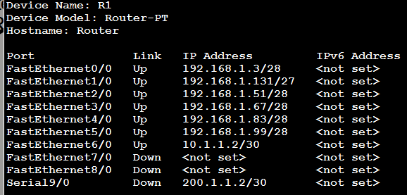
ports |  | mask
FastEthernet0/0 | 192.168.1.3 | 28
FastEthernet1/0 | 192.168.1.131 | 27
FastEthernet2/0 | 192.168.1.51 | 28
FastEthernet3/0 | 192.168.1.67 | 28
FastEthernet4/0 | 192.168.1.83 | 28
FastEthernet5/0 | 192.168.1.99 | 28
FastEthernet6/0 | 10.1.1.2 | 30
FastEthernet7/0 | Not set
FastEthernet8/0 | Not set
Serial9/0 | Not set

Router2
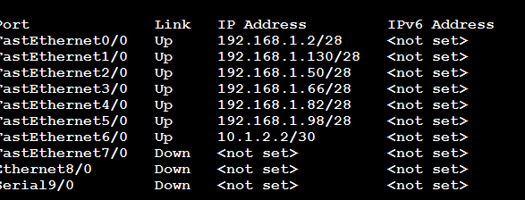
ports |  | mask
FastEthernet0/0 | 192.168.1.2 | 28
FastEthernet1/0 | 192.168.1.130 | 27
FastEthernet2/0 | 192.168.1.50 | 28
FastEthernet3/0 | 192.168.1.66 | 28
FastEthernet4/0 | 192.168.1.82 | 28
FastEthernet5/0 | 192.168.1.98 | 28
FastEthernet6/0 | 10.1.2.2 | 30
FastEthernet7/0 | Not set | Not set
Ethernt8/0 | Not set | Not set
Serial9/0 | Not set | Not set

Firewall Router
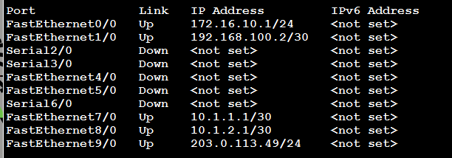
ports |  | mask
FastEthernet0/0 | 172.16.10.1 | 24
FastEthernet1/0 | 192.168.100.2 | 30
Serial2/0 | Not set | Not set
Serial3/0 | Not set | Not set
FastEthernet4/0 | Not set | Not set
FastEthernet5/0 | Not set | Not set
Serial6/0 | Not set | Not set
FastEthernet7/0 | 10.1.1.1 | 30
FastEthernet8/0 | 10.1.2.1 | 30
FastEthernet9/0 | 203.0.113.49 | 24

ISP router
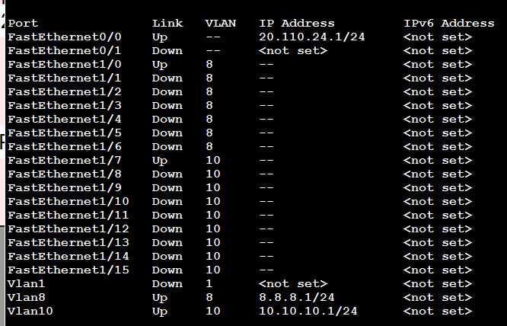
Port
FastEthernet0/0 | 20.110.24.1 | 24
FastEthernet0/1 | Not set | Not set
FastEthernet1/0 | Up/no ip | Not set
FastEthernet1/1 | Not set | Not set
FastEthernet1/2 | Not set | Not set
FastEthernet1/3 | Not set | Not set
FastEthernet1/4 | Not set | Not set
FastEthernet1/5 | Not set | Not set
FastEthernet1/6 | Not set | Not set
FastEthernet1/7 | Up/no ip | Not set
FastEthernet1/8 | Not set | Not set
FastEthernet1/9 | Not set | Not set
FastEthernet1/10 | Not set | Not set
FastEthernet1/11 | Not set | Not set
FastEthernet1/12 | Not set | Not set
FastEthernet1/13 | Not set | Not set
FastEthernet1/14 | Not set | Not set
FastEthernet1/15 | Not set | Not set
Vlan1 | Not set | Not set
Vlan8 | 8.8.8.1 | 24
Vlan10 | 10.10.10.1 | 24

WirelessRouter
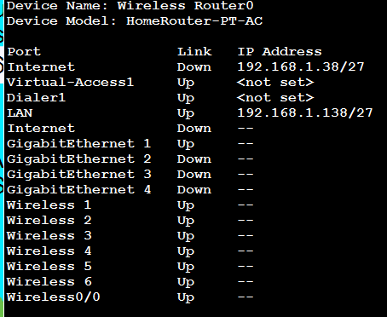
Wireless Router |  | mask
Internet | 192.168.1.38 | 27
Virtual-access1 | Not set | Not set
Dialer1 | Not set | 27
LAN | 192.168.1.138 | 27
Internet | Not set | 27
Gigabitethernet1 | Up/ not set | 27
Gigabitethernet2 | Not set | 27
Gigabitethernet3 | Not set | 27
Gigabitethernet4 | Not set | 27
Wireless 1 | Up/ not set | 27
Wireless 2 | Up/ not set | 27
Wireless 3 | Up/ not set | 27
Wireless 4 | Up/ not set
Wireless 5 | Up/ not set
Wireless 6 | Up/ not set | 28
Wireess0/0 | Up/ not set

Subnet Management secret
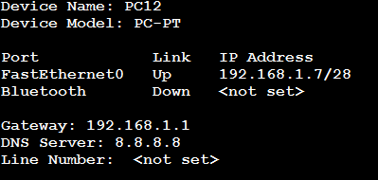
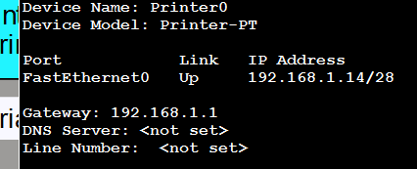
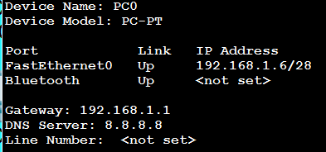
Devices |  |  | mask
PC0 | Fastethernet0 | 192.168.1.6 | 28
PC1 | Fastethernet0 | 192.168.1.5 | 28
PC2 | Fastethernet0 | Not set | 28
PC3 |  | Not set | 28
PC4 |  | Not set | 28
PC5 |  | Not set | 28
PC6 |  | Not set | 28
PC7 |  | Not set | 28
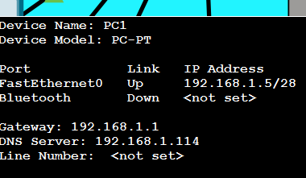
PC8 |  | Not set | 28
PC9 |  | Not set | 28
PC10 |  |  | 28
PC11 |  |  | 28

Printers
Printer0 |  | 192.168.1.14 | 28
Printer1 |  | Not set
Printer2 |  | Not set

Study
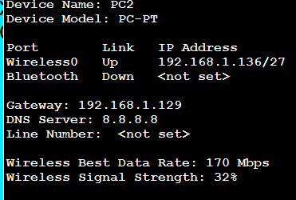
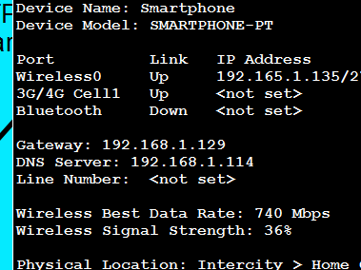
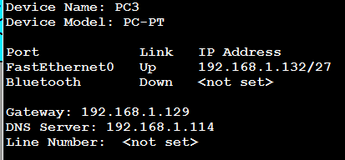
Devices |  | mask
PC3 | 192.168.1.132 | 27
PC1 | 192.168.1.5 | 27
PC2 | Not set | 27
PC3 | Not set | 27
PC4 | Not set | 27
PC5 | Not set | 27
PC6 | Not set | 27
PC7 | Not set | 27
PC8 | Not set | 27
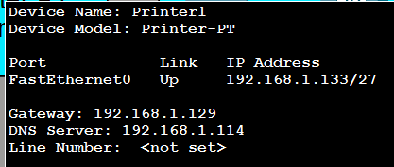
PC9 | Not set | 27
PC10 | Not set | 27
PC11 | Not set | 27

Printers
Printer0 | 192.168.1.14 | 28
Printer1 | Not set
Printer2 | Not set

SmartPhones

Production
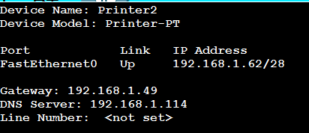

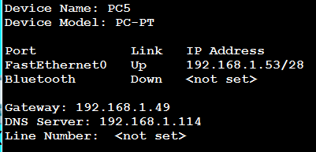

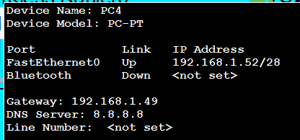

IT department
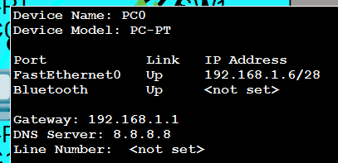
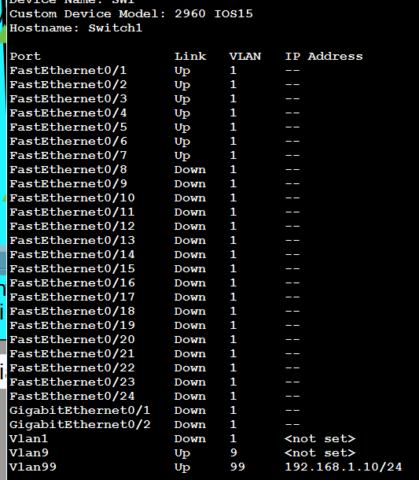

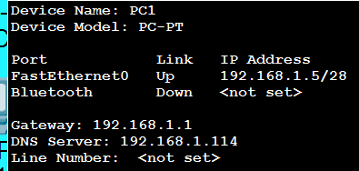

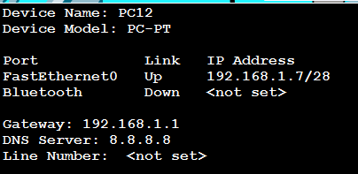

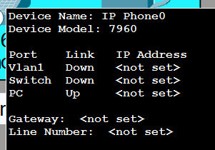

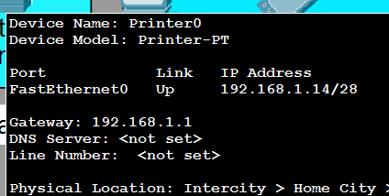

Switch Management
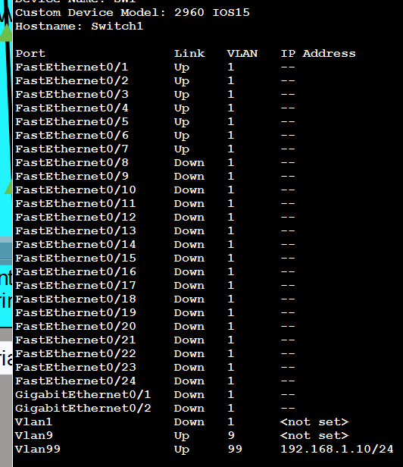
SW1
Fastethernet0/1 | Up
Fastethernet0/2 | Up
Fastethernet0/3 | Up
Fastethernet0/4 | Up
Fastethernet0/5 | Up
Fastethernet0/6 | Up
Fastethernet0/7 | Up
Fastethernet0/8 | Down
Fastethernet0/9 | Down
Fastethernet0/10 | Down
Fastethernet0/11 | Down
Fastethernet0/12 | Down
Fastethernet0/13 | Down
Fastethernet0/14 | Down
Fastethernet0/15 | Down
Fastethernet0/16 | Down
Fastethernet0/17 | Down
Fastethernet0/18 | Down
Fastethernet0/19 | Down
Fastethernet0/20 | Down
Fastethernet0/21 | Down
Fastethernet0/22 | Down
Fastethernet0/23 | Down
Fastethernet0/24 | Down
GigabitEthernet0/1 | Down
GigabitEthernet0/2 | Down
Vlan1 | Down
Vlan9 | Up | not set
Vlan99 | Up | 192.168.1.10 | 24

Switch Study
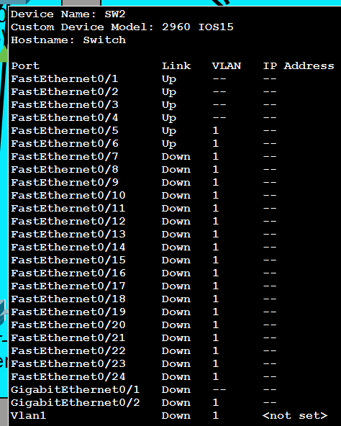
Sw2
Fastethernet0/1 | Up
Fastethernet0/2 | Up
Fastethernet0/3 | Up
Fastethernet0/4 | Up
Fastethernet0/5 | Up
Fastethernet0/6 | Up
Fastethernet0/7 | Down
Fastethernet0/8 | Down
Fastethernet0/9 | Down
Fastethernet0/10 | Down
Fastethernet0/11 | Down
Fastethernet0/12 | Down
Fastethernet0/13 | Down
Fastethernet0/14 | Down
Fastethernet0/15 | Down
Fastethernet0/16 | Down
Fastethernet0/17 | Down
Fastethernet0/18 | Down
Fastethernet0/19 | Down
Fastethernet0/20 | Down
Fastethernet0/21 | Down
Fastethernet0/22 | Down
Fastethernet0/23 | Down
Fastethernet0/24 | Down
GigabitEthernet0/1 | Down
GigabitEthernet0/2 | Down
Vlan1 | Down

Switch Production
